Email Notifications
Test case Name | Test case Description | Steps | Expected Result | Actual Result | Evidence -1
Testing Email notification on user registration | An email will be received to registered email id | 1)Open the Home Page. | An email will be received to registered email id | An email will be received to registered email id | 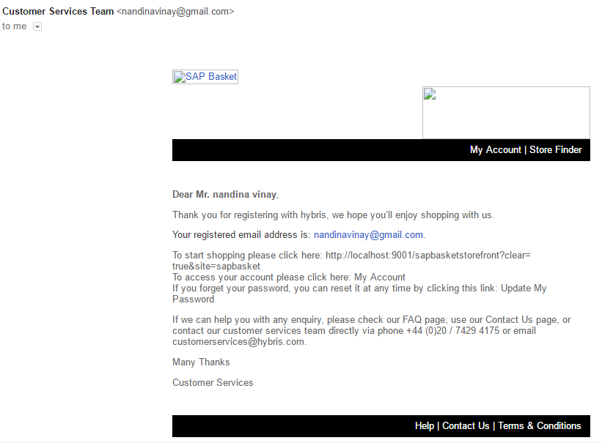
 | which will contain links which will redirect to | 2)click on signin/register button | which will contain links which will redirect to | which will contain links which will redirect to
 | website homepage, contact us and my account | 3)Enter details and click on register. | website homepage, contact us and my account | website homepage, contact us and my account

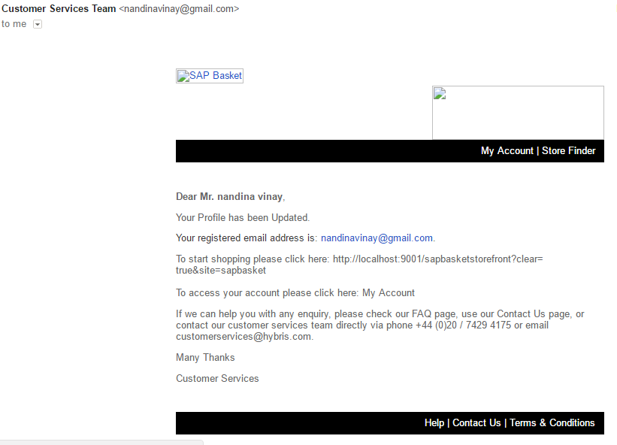
 |  | 1)Open the Home Page.
Testing Email notification on user update profile | An email will be received to registered email id | 2)Sign in to your account | An email will be received to registered email id | An email will be received to registered email id
 | which will contain links which will redirect to | 3)click on My Account. | which will contain links which will redirect to | which will contain links which will redirect to
 | website homepage, contact us and my account | 4)click on link to update profile. | website homepage, contact us and my account | website homepage, contact us and my account
 |  | 5)Enter the details and click on update.

